AGUS SEAFOOD
DATE | DESCRIPTION | QUANTITY | PRICE | BILLS | SUBTOTAL | TOTAL
26-Feb-2026 | SALMON FILLET | 6.8 | IDR 290,000 | 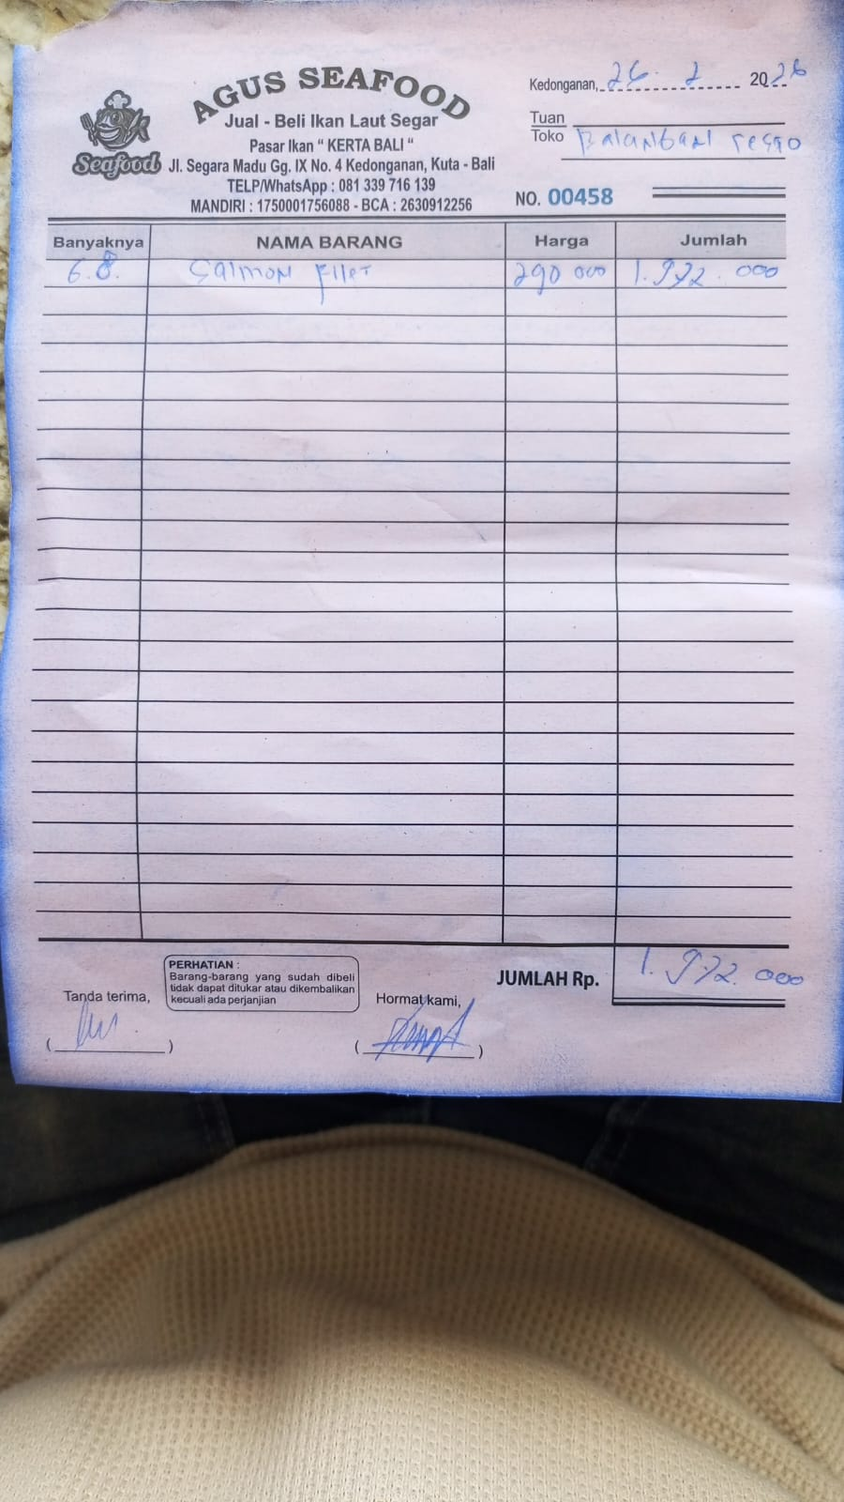 | IDR 1,972,000 | IDR 1,972,000
 |  |  |  |  | IDR -
 |  |  |  |  | IDR -
 |  |  |  |  | IDR -
 |  |  |  |  | IDR -
 |  |  |  |  | IDR -
 |  |  |  |  | IDR -
 |  |  |  |  | IDR -
 |  |  |  |  | IDR -
 |  |  |  |  | IDR -
 |  |  |  |  | IDR -
 |  |  |  |  | IDR -
 |  |  |  |  | IDR -
 |  |  |  |  | IDR -
 |  |  |  |  | IDR -
 |  |  |  |  | IDR -
 |  |  |  |  | IDR -
 |  |  |  |  | IDR -
 |  |  |  |  | IDR -
 |  |  |  |  | IDR -
 |  |  |  |  | IDR -
 |  |  |  |  | IDR -
 |  |  |  |  | IDR -
 |  |  |  |  | IDR -
 |  |  |  |  | IDR -
 |  |  |  |  | IDR -
 |  |  |  |  | IDR -
 |  |  |  |  | IDR -
 |  |  |  |  | IDR -
 |  |  |  |  | IDR -
 |  |  |  |  | IDR -
 |  |  |  |  | IDR -
 |  |  |  |  | IDR -

 |  |  | Rp1,972,000

